CORTELLIS DRUG DISCOVERY INTELL
 | Oberservações
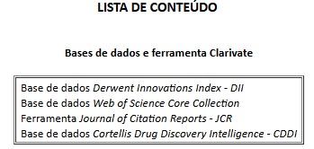 | Para acesso ao conteúdo é necessário registro estando logado no Portal de Periódicos pela sua instituição. Acessar a base de dados a partir da busca do Portal de Periódicos Sugerimos e-mail institucional

WALTER DE GRUYTER
